Sheet1 (5)
Clock

A

Q | 1 | 0 | A |  |  | B |  | C |  | D |  | E

 |  |  | 1 | 1 | 0 | 1 | 0 | 1 | 0 | 0 | 1 | 0
00
10
01
11
A
A’
A’
A’
A
A’
A
Z
A
module fsm (
input wire logic Clock, Reset, A,
output logic [1:0] Q,
output logic Z
);
always_ff @(posedge Clock)
if (Reset)
Q <= 2’b00;
else
begin
Q[1] <= A^Q[1]^Q[0];
Q[0] <= ~A&Q[1]|A&Q[0];
end
assign Z = ~Q[1]&Q[0];
endmodule

Sheet1 (6)
Clock

A

Q | 1 | 1 | A |  |  | A |  | B |  | C |  | D

 |  |  | 1 | 1 | 0 | 1 | 0 | 1 | 0 | 0 | 1 | 0
00
10
01
11
A
A’
A’
A’
A
A’
A
Z
A
module fsm (
input wire logic Clock, Reset, A,
output logic [1:0] Q,
output logic Z
);
always_ff @(posedge Clock)
if (Reset)
Q <= 2’b00;
else
begin
Q[1] <= A^Q[1]^Q[0];
Q[0] <= ~A&Q[1]|A&Q[0];
end
assign Z = ~Q[1]&Q[0];
endmodule

Sheet1 (2)
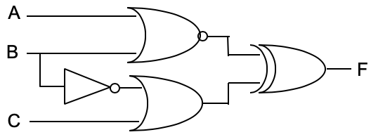
A

B

C

(A+B)'

B'

Before

C+B'

Before

F

Sheet1 (3)
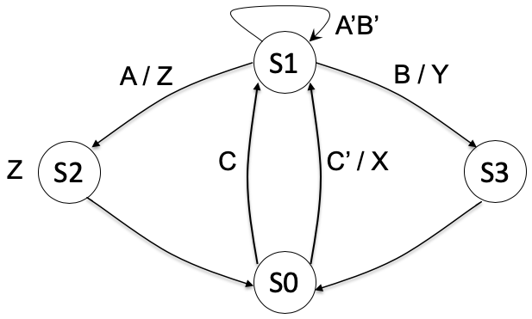
State |  |  |  | S0 |  |  |  |  | S1 |  |  |  |  | S2 |  |  |  |  | S0 |  |  |  |  | S1 |  |  |  |  | S1 |  |  |  |  | S3 |  |  |  |  | S0
X |  | 0 |  |  | 0 |  | 1 |  |  | 0 |  | 0 |  |  | 0 |  | 0 |  |  | 0 |  | 0 |  |  | 0 |  | 0 |  |  | 0 |  | 0 |  |  | 0 |  | 0 |  | 1
Y |  | 0 |  |  | 0 |  | 0 |  |  | 0 |  | 0 |  |  | 0 |  | 0 |  |  | 0 |  | 0 |  |  | 0 |  | 0 |  |  | 0 |  | 1 |  |  | 0 |  | 0 |  | 0
Z |  | 1 |  |  | 0 |  | 0 |  |  | 0 |  | 1 |  |  | 1 |  | 1 |  |  | 0 |  | 0 |  |  | 0 |  | 0 |  |  | 0 |  | 0 |  |  | 0 |  | 0 |  | 0

 | 0 |  | 1 |  |  | 2 |  | 3 |  |  | 4 |  | 5 |  |  | 6 |  | 7 |  |  | 8 |  | 9 |  |  | 10 |  | 11 |  |  | 12 |  | 13 |  |  | 14 |  | 15

Clock

A

B

C

State | S2

Sheet1 (4)
Q |  | S0 | S1 |  | S2 |  | S2 |  | S3 |  | S1
Z | 0 |  | 1 | 1 | 1 | 0 | 0 | 1 | 0 | 0 | 1 | 1

 | 10 |  | 9 | 8 | 7 | 6 | 5 | 4 | 3 | 2 | 1 | 0

Clock

A

Q |  | S0

module unknown(
input logic wire clk, A,
output logic Z
);
typedef enum {S0, S1, S2, S3} StateType;
StateType next_state, current_state;
always_comb
begin
next_state = current_state;
Z = 1’b0;
if (reset)
ns = s0;
else
case (current_state)
S0: if (A == 1’b0) next_state = S0;
else next_state = S1;
S1: begin
Z = 1’b1;
if (A == 1’b0) next_state = S2;
else next_state = S0;
end
S2: if (A == 1’b0)
begin
Z = 1’b1;
next_state = S3;
end
else next_state = S2;
S3: if (A == 1’b0) next_state = S1;
else next_state = S3;
end
endcase
end
always_ff@(posedge clk)
current_state <= next_state;
endmodule

Sheet1 (7)
Q |  | S0 | S1 |  | S2 |  | S3 |  | S1 |  | S0
Z | 0 |  | 1 | 1 | 0 | 1 | 0 | 0 | 1 | 1 | 0 | 0

 | 10 |  | 9 | 8 | 7 | 6 | 5 | 4 | 3 | 2 | 1 | 0

Clock

A

Q |  | S0

always_comb
begin
next_state = current_state;
Z = 1’b0;
if (reset)
ns = s0;
else
case (current_state)
S0: if (A == 1’b0)
next_state = S0;
else
next_state = S1;
S1: begin
Z = 1’b1;
if (A == 1’b0)
next_state = S2;
else
next_state = S0;
end
S2: if (A == 1’b1)
begin
Z = 1’b1;
next_state = S3;
end
else next_state = S2;
S3: if (A == 1’b0)
next_state = S1;
else
next_state = S3;
end
endcase
end

00
10
01
11
A
A’
A’
A’
A
A’
A
Z
A

Sheet3
W | X | Y | Z | F |  |  |  |  |  | A | B | C | D | F
0 | 0 | 0 | 0 |  |  |  | W'Y' |  |  | 0 | 0 | 0 | 0
0 | 0 | 0 | 1 |  |  | X'Y'Z | W'Y' |  |  | 0 | 0 | 0 | 1 | 1 |  |  | C'D |  |  | B'D'
0 | 0 | 1 | 0 |  | X'Y |  |  |  |  | 0 | 0 | 1 | 0 | 1 |  | B'C
0 | 0 | 1 | 1 |  | X'Y |  |  |  |  | 0 | 0 | 1 | 1 | 1 |  | B'C |  |  |  | B'D'
0 | 1 | 0 | 0 |  |  |  | W'Y' | W'X' |  | 0 | 1 | 0 | 0 | 1 | BC'
0 | 1 | 0 | 1 |  |  |  | W'Y' | W'X' |  | 0 | 1 | 0 | 1 | 1 | BC' |  | C'D
0 | 1 | 1 | 0 |  |  |  |  | W'X' | XY | 0 | 1 | 1 | 0
0 | 1 | 1 | 1 |  |  |  |  | W'X' | XY | 0 | 1 | 1 | 1
1 | 0 | 0 | 0 |  |  |  |  |  |  | 1 | 0 | 0 | 0 | 1 |  |  |  | AC' | A'B'
1 | 0 | 0 | 1 |  |  | X'Y'Z |  |  |  | 1 | 0 | 0 | 1 | 1 |  |  | C'D | AC' | A'B' | B'D'
1 | 0 | 1 | 0 |  | X'Y |  |  |  |  | 1 | 0 | 1 | 0 | 1 |  | B'C |  |  | A'B'
1 | 0 | 1 | 1 |  | X'Y |  |  |  |  | 1 | 0 | 1 | 1 | 1 |  | B'C |  |  | A'B' | B'D'
1 | 1 | 0 | 0 |  |  |  |  |  |  | 1 | 1 | 0 | 0 | 1 | BC' |  |  | AC'
1 | 1 | 0 | 1 |  |  |  |  |  |  | 1 | 1 | 0 | 1 | 1 | BC' |  | C'D | AC'
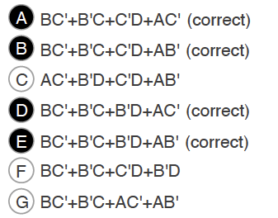
1 | 1 | 1 | 0 |  |  |  |  |  | XY | 1 | 1 | 1 | 0
1 | 1 | 1 | 1 |  |  |  |  |  | XY | 1 | 1 | 1 | 1

A | B | C | D | F
0 | 0 | 0 | 0 | 1
0 | 0 | 0 | 1 | 0
0 | 0 | 1 | 0 | 0
0 | 0 | 1 | 1 | 1
0 | 1 | 0 | 0 | 0
0 | 1 | 0 | 1 | 1
0 | 1 | 1 | 0 | 1
0 | 1 | 1 | 1 | 0
1 | 0 | 0 | 0 | 0
1 | 0 | 0 | 1 | 1
1 | 0 | 1 | 0 | 1
1 | 0 | 1 | 1 | 0
1 | 1 | 0 | 0 | 1
1 | 1 | 0 | 1 | 0
1 | 1 | 1 | 0 | 0
1 | 1 | 1 | 1 | 1

